sheet1
PICTURE | Name | Option | Quantity per CTN | CTN | RMB | Douane Montant | Transport | PRICE
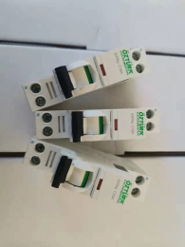 | industriel circuit breakers (DPN) | DPN 1P 16A | 240 | 34 | 9 | 6 | 0.5 | 22
 |  | DPN 1P 10A | 240 | 12 | 9 | 6 | 0.5 | 22
 | moulded case circuit breaker | NS 4P 125A | 12 | 14 | 90 | 96 | 11.8 | 262
 |  | NS 4P 160A | 12 | 5 | 90 | 103 | 11 | 268
 |  | NS 4P 250A | 12 | 5 | 100 | 98 | 11 | 280
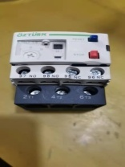 | relay | LRD 12-18A | 100 | 2 | 14 | 3 | 1.3 | 28
 |  | LRD 9-13A | 100 | 2 | 14 | 3 | 1.3 | 28
 |  | LRD 7-10 | 100 | 2 | 14 | 3 | 1.3 | 28
 |  | LRD 4-6A | 100 | 2 | 14 | 3 | 1.3 | 28
 | limit switch ME 8108 | ME 8108 | 100 | 6 | 4.5 | 2 | 0.8 | 11
 | limit switch XCK-J10541 | XCK-J10541 | 50 | 8 | 24.5 | 6 | 1.5 | 49
 | relay small | 220V AC | 500 | 2 | 7 | 1 | 0.3 | 13
 |  | 24VAC | 500 | 5 | 7 | 1 | 0.3 | 13
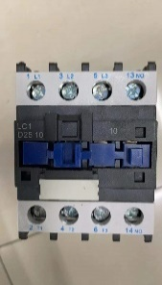 | AC contactor blue | OL2 0910 | 50 | 6 | 12 | 9 | 1.1 | 31
 |  | OL2 1210 | 50 | 4 | 12 | 9 | 1.1 | 31
 |  | OL2 1810 | 50 | 4 | 14 | 9 | 1.1 | 34
 |  | OL2 2510 | 50 | 6 | 18 | 9 | 1.7 | 42
 |  | OL2 3210 | 50 | 6 | 19 | 9 | 1.7 | 44
 |  | IC60 4P 63A | 60 | 5 | 29.2 | 9 | 1.4 | 60
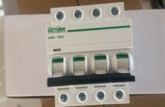 | industriel circuit breakers (4P) | 4P 40A | 60 | 5 | 29.2 | 18 | 1.4 | 69
 |  | 4P 32A | 60 | 5 | 29.2 | 17 | 1.4 | 68
 |  | 4P 25A | 60 | 4 | 29.2 | 18 | 1.4 | 69
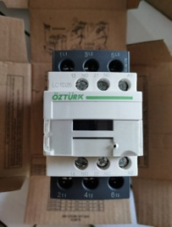 | AC contactor | D09 | 50 | 17 | 18.5 | 9 | 1.8 | 43
 |  | D12 | 50 | 8 | 18.5 | 9 | 1.8 | 43
 |  | D18 | 50 | 8 | 19.5 | 9 | 1.8 | 45
 |  | D25 | 50 | 17 | 24 | 9 | 1.8 | 52
 |  | D32 | 50 | 10 | 26 | 9 | 1.8 | 56
 |  | D40 | 20 | 6 | 62 | 9 | 4.4 | 119
 |  | D65 | 20 | 6 | 68 | 9 | 4.4 | 129
 |  | D80 | 20 | 8 | 87 | 9 | 4.3 | 161
 |  | D95 | 20 | 4 | 87 | 9 | 4.5 | 161
 | AC contactor D65 | LC1 D65 | 20 | 10 | 100 | 9 | 4.4 | 184
 | protector A+V | A+V 63A | 120 | 1 | 32 | 9 | 1.1 | 65
 | box plastique #!2 | HT 12# | 20 | 15 | 30.5 | 21 | 17 | 90
 | box plastique #24 | HT 24# | 10 | 10 | 53 | 37 | 33 | 161
 | honn | MS190 | 40 | 4 | 18 | 6 | 1.9 | 39
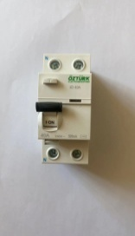 | interrupteur differentiel ozturk | ID 2P 40A 300MA | 100 | 4 | 23 | 7 | 1.2 | 48
 |  | ID 2P 40A 30MA | 100 | 2 | 23 | 7 | 1.3 | 48
 |  | ID 2P 25A 300MA | 100 | 4 | 23 | 7 | 1.2 | 48
 |  | ID 2P 25A 30MA | 100 | 3 | 23 | 7 | 0.9 | 48
 |  | ID 4P 40A 300MA | 50 | 4 | 33 | 13 | 2.4 | 72
 |  | ID 4P 40A 3OMA | 50 | 4 | 33 | 13 | 2.4 | 72
 | time switch digital | THC-822 | 100 | 1 | 78 | 3 | 0.6 | 137
 | surge arrester 2P DC | 2P DC 40KA | 100 | 2 | 36 | 4 | 0.9 | 67
 | surge arrester 4P AC | 4P AC 60KA | 50 | 4 | 64 | 4 | 1.7 | 115
 |  | 4P AC 40KA | 50 | 2 | 52 | 4 | 1.7 | 95
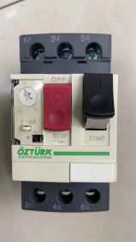 | Disjunctor motor ozturk | GV2 2.5-4 | 50 | 2 | 33 | 15 | 1.1 | 73
 |  | 4-6 | 50 | 2 | 33 | 15 | 1.1 | 73
 |  | 7-10 | 50 | 2 | 33 | 15 | 1.1 | 73
 |  | 9-13 | 50 | 2 | 33 | 15 | 1.1 | 73
 |  | 12-16 | 50 | 2 | 33 | 15 | 1.1 | 73
 |  | 20-25 | 50 | 1 | 33 | 15 | 1.1 | 73
 |  | 25-32 | 50 | 1 | 33 | 15 | 1.1 | 73
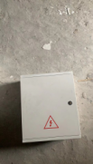 | box plastique 1 | BOX 18*40*30 | 6 | 8 | 66 | 120 | 63.6 | 297
 |  | ??? | 2 | 1 | 66 | 123 | 68.8 | 305
 | limit switch XCKM | XCK-M | 50 | 4 | 17 | 4 | 1.6 | 35
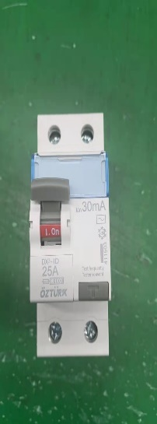 | interrupteur differentiel -- | 2P 40A 300mA | 100 | 4 | 23 | 7 | 1.3 | 48
 |  | 2P 63A 300mA | 100 | 4 | 23 | 7 | 1.3 | 48
 |  | 2P 25A 30mA | 100 | 2 | 23 | 7 | 1.3 | 48
 | relay phase | PVSF0-040 | 100 | 2 | 26 | 3 | 1.3 | 49
 | relay level | RPS | 100 | 1 | 26 | 3 | 1.3 | 49
 | relay temp | RND21-023 | 100 | 3 | 26 | 3 | 1.3 | 49
 | relay socket | ??? | 400 | 1 | 3.5 | 1 | 0.3 | 10
 |  | ??? | 200 | 1 | 3.5 | 1 | 0.5 | 10
 | box plastique 2 | BOX50*60*20 | 2 | 15 | 130 | 282 | 182.5 | 686
 |  | BOX 50*40*20 | 3 | 10 | 90 | 193 | 121 | 468
 | timer | 181D | 100 | 6 | 40 | 2 | 1.7 | 73
 |  | 181D | 100 | 6 | 40 | 2 | 1.7 | 73
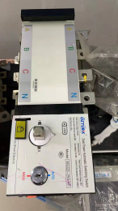 | dual power automatic transfer | 160A | 2 | 10 | 315 | 223 | 41.3 | 800
 |  | 250A | 2 | 10 | 375 | 317 | 48.2 | 1003
 |  | 400A | 1 | 15 | 735 | 591 | 137.5 | 1979
 |  | 630A | 1 | 15 | 845 | 626 | 137.5 | 2201
 | circuit breaker DC | 63A | 120 | 2 | 19 | 10 | 0.9 | 44
 |  | 40A | 120 | 4 | 19 | 10 | 0.9 | 44
 | relay | Water level sensor | 200 | 5 | 6.2 | 1 | 0.4 | 12
 | street light led grey 65w | 65W+400W | 1 | 400 | 150 | 170 | 110.7 | 537
 | street light led white 65w | 65W+400W | 1 | 50 | 200 | 170 | 71.5 | 583
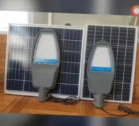 | flood light solar led | 150w | 5 | 12 | 292 | 328 | 87.2 | 1041
 |  | 200w | 5 | 12 | 351 | 328 | 105.5 | 1113
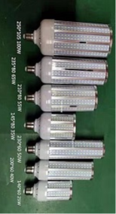 | led lamp | 65w | 50 | 4 | 46 | 10 | 4.9 | 94
 |  | 45w | 50 | 2 | 36 | 10 | 2.8 | 75
 | 150w flood light led | 150w | 1 | 59 | 152 | 164 | 56 | 479
 | condasateur | ignter 70-400w | 200 | 10 | 5.8 | 2 | 0.5 | 12
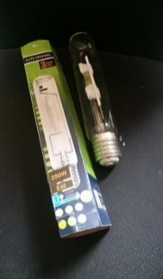 | lamp shp | 150w hpi lamp | 25 | 25 | 17 | 10 | 2.7 | 42
 |  | 250w hpi lamp | 25 | 25 | 18 | 10 | 2.7 | 44
 |  | 400w hpi lamp | 25 | 15 | 19 | 10 | 2.8 | 46
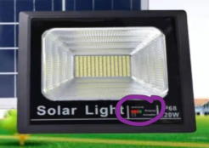 | solar projector | 120w | 6 | 17 | 118 | 70 | 37.8 | 309
 |  | 200w | 4 | 13 | 152 | 70 | 111.1 | 440
 | Ballast | 150w | 10 | 30 | 26 | 40 | 1.8 | 87
 |  | 250w | 10 | 24 | 28.5 | 55 | 2.2 | 106
 | 5w LED lamp | ??? | 1000 | 5 | 3.6 | 5 | 0.1 | 12
 | plastique accessoires | 4*1.5-16 | 100 | 5 | 12 | 2 | 2.8 | 26
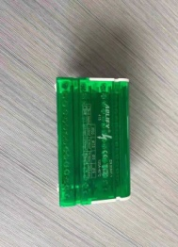 | domino terminal | 413 | 20 | 10 | 75 | 35 | 6.9 | 170
 |  | 411 | 50 | 4 | 23 | 13 | 1.7 | 55
 |  | 415 | 50 | 4 | 28 | 16 | 2.1 | 66
 |  | 410 | 100 | 4 | 15 | 9 | 1.1 | 36
 | indicator light | green | 500 | 3 | 0.95 | 2 | 0.3 | 4
 |  | red | 500 | 2 | 0.95 | 2 | 0.3 | 4
 |  | yellow | 500 | 1 | 0.95 | 2 | 0.3 | 4
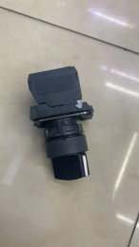 | switch | XB5 0-1 | 200 | 5 | 4 | 3 | 0.5 | 10
 |  | XB5 1-0-2 | 200 | 2 | 5 | 3 | 0.5 | 12
 | transformer 1 | 63A | 100 | 1 | 30 | 11 | 1.1 | 64
 | transformer 2 | 63A/40A | 100 | 1 | 35 | 11 | 1.1 | 72
 | plug | 32a*5 male | 60 | 10 | 6.75 | 8 | 2.75 | 23
 |  | 32a*5 female | 60 | 10 | 6.75 | 8 | 2.75 | 23
 |  | 16a*5 male | 60 | 3 | 5.25 | 6 | 2.3 | 18
 |  | 16a*5 female | 60 | 3 | 5.25 | 6 | 2.3 | 18
 | fuse box | 4p125A | 24 | 25 | 24 | 6 | 5.3 | 52
 | pliers | ??? | 10 | 5 | 60 | 16 | 8.3 | 127
 | alarm indicator light | ??? | 500 | 3 | 2.5 | 2 | 0.3 | 7
 |  | ??? | 500 | 2 | 3.5 | 2 | 0.3 | 8
 | 4p 3phase protector | 3 phase | 50 | 2 | 110 | 11 | 2.8 | 202
 | industriel circuit breakers (Aelivf) | 1P16A | 240 | 5 | 3.7 | 5 | 0.5 | 12
 |  | 1P10A | 240 | 2 | 3.7 | 5 | 0.5 | 12
 |  | 1P25A | 240 | 2 | 3.7 | 5 | 0.5 | 12
 |  | 4P 63A | 60 | 4 | 15 | 18 | 1.9 | 46
 |  | 4P 40A | 60 | 3 | 15 | 19 | 1.7 | 47
 |  | 4P 32A | 60 | 3 | 15 | 19 | 1.7 | 47
 | fan | FAN 380V | 1 | 49 | 265 | 50 | 202.1 | 703
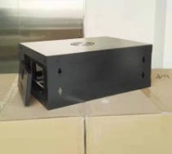 | box | 4U | 1 | 50 | 130 | 147 | 115.5 | 485
 |  | 6U | 1 | 50 | 145 | 171 | 115.5 | 534
 |  | 9U | 1 | 30 | 165 | 208 | 128.4 | 617
 |  | 12U | 1 | 30 | 185 | 256 | 152.2 | 723
 |  | 15U-1 | 1 | 10 | 330 | 590 | 302.5 | 1455
 |  | 15U-2 | 1 | 10 | 390 | 707 | 302.5 | 1674
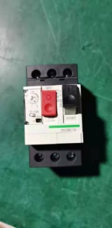 | industriel circuit breakers -- | 4-6A | 50 | 2 | 33 | 14 | 1.4 | 72
 |  | 7-10A | 50 | 2 | 33 | 14 | 1.4 | 72
 |  | 13A | 50 | 2 | 33 | 14 | 1.4 | 72
 |  | 12-18A | 50 | 2 | 33 | 14 | 1.4 | 72
 | hydraulic clamp | hydraulic clamp | 5 | 10 | 158 | 58 | 27.5 | 355
 | borne domino | 16 White | 500 | 2 | 1.15 | 2 | 0.2 | 4
 |  | 16 Black | 500 | 6 | 1.15 | 2 | 0.2 | 4
 | flood light led | 100w | 1 | 100 | 125 | 61 | 44 | 318
 |  | 150w | 1 | 150 | 160 | 61 | 56.9 | 391
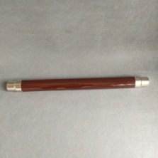 | fuse | 6.3A | 3 | 41 | 104 | 110 | 15.7 | 303
 |  | 10A | 3 | 25 | 104 | 110 | 15.7 | 303
 |  | 16A | 3 | 22 | 104 | 110 | 15.7 | 303
 |  | 25A | 3 | 2 | 104 | 110 | 15.7 | 303

